Erosion
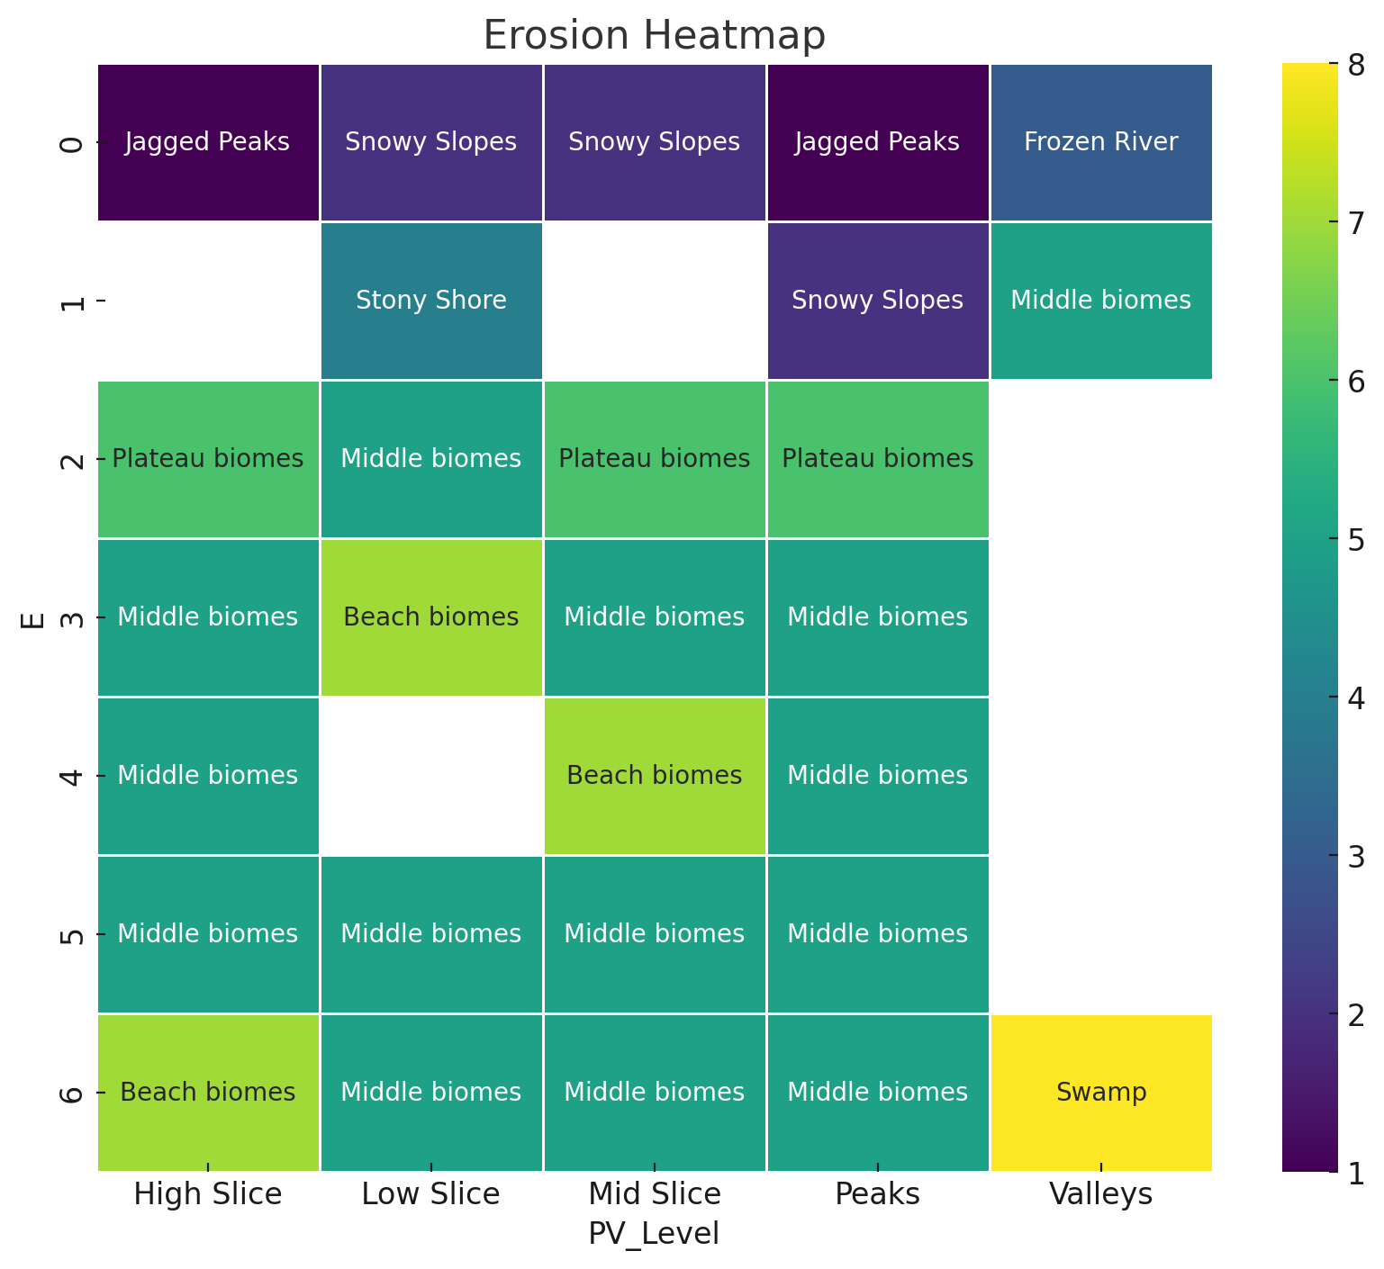
E | Proximity | PV_Level | Biome | Category | Proximity | Near Inland
0 | Mid Inland | High Slice | Jagged Peaks | Peaks
0 | Mid Inland | High Slice | Frozen Peaks | Peaks | PV_Level | E | Category
0 | Near Inland | High Slice | Snowy Slopes | Slopes | Peaks | 0 | Badlands
0 | Near Inland | High Slice | Grove | Slopes |  |  | Peaks
0 | Far Inland | High Slice | Frozen Peaks | Peaks |  | 1 | Badlands
0 | Far Inland | High Slice | Jagged Peaks | Peaks |  |  | Middle
0 | Far Inland | Low Slice | Snowy Slopes | Slopes |  |  | Slopes
0 | Far Inland | Low Slice | Grove | Slopes |  | 2 | Plateau
0 | Mid Inland | Low Slice | Snowy Slopes | Slopes |  | 3 | Middle
0 | Mid Inland | Low Slice | Grove | Slopes |  | 4 | Beach
0 | Near Inland | Low Slice | Middle biomes | Middle |  |  | Middle
0 | Far Inland | Mid Slice | Snowy Slopes | Slopes |  | 5 | Beach
0 | Far Inland | Mid Slice | Grove | Slopes |  |  | Middle
0 | Mid Inland | Mid Slice | Snowy Slopes | Slopes |  |  | Windswept Savanna
0 | Mid Inland | Mid Slice | Grove | Slopes |  | 6 | Middle
0 | Near Inland | Mid Slice | Snowy Slopes | Slopes | High Slice | 0 | Plateau
0 | Near Inland | Mid Slice | Grove | Slopes |  |  | Slopes
0 | Coast | Peaks | Jagged Peaks | Peaks |  | 2 | Plateau
0 | Coast | Peaks | Frozen Peaks | Peaks |  | 3 | Middle
0 | Far Inland | Peaks | Jagged Peaks | Peaks |  | 4 | Middle
0 | Far Inland | Peaks | Frozen Peaks | Peaks |  | 5 | Middle
0 | Mid Inland | Peaks | Jagged Peaks | Peaks |  |  | Windswept Savanna
0 | Mid Inland | Peaks | Frozen Peaks | Peaks |  | 6 | Middle
0 | Near Inland | Peaks | Jagged Peaks | Peaks | Mid Slice | 0 | Plateau
0 | Near Inland | Peaks | Frozen Peaks | Peaks |  |  | Slopes
0 | Coast | Valleys | Frozen River | River |  | 2 | Plateau
0 | Near Inland | Valleys | Frozen River | River |  | 3 | Middle
0 | Near Inland | Valleys | River | River |  | 4 | Middle
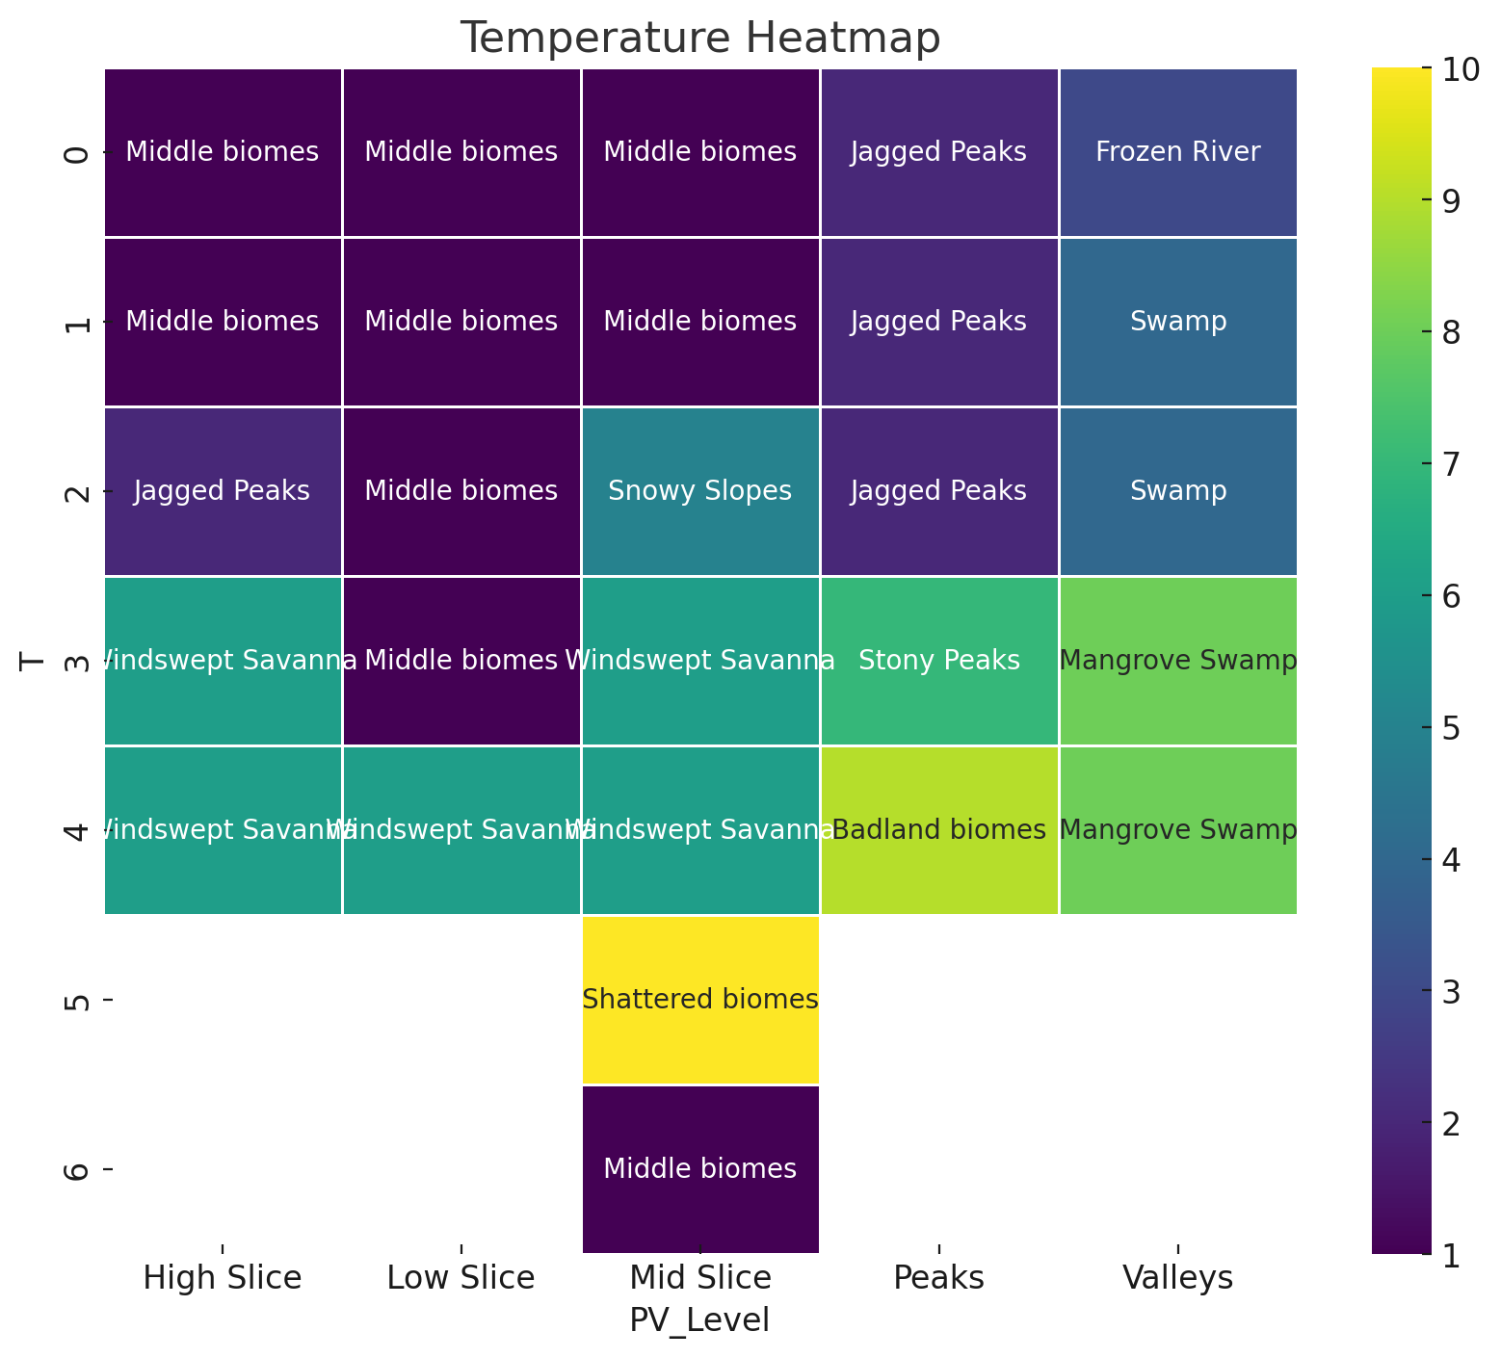
0 | Far Inland | Low Slice | Middle biomes | Middle |  | 5 | Middle
0 | Mid Inland | Low Slice | Middle biomes | Middle |  |  | Windswept Savanna
0 | Far Inland | Mid Slice | Plateau biomes | Plateau |  | 6 | Middle
0 | Mid Inland | Mid Slice | Plateau biomes | Plateau | Low Slice | 0 | Badlands
0 | Coast | Valleys | River | River |  |  | Middle
0 | Mid Inland | High Slice | Stony Peaks | Peaks |  | 1 | Badlands
0 | Near Inland | High Slice | Plateau biomes | Plateau |  |  | Middle
0 | Far Inland | High Slice | Stony Peaks | Peaks |  | 2 | Middle
0 | Near Inland | Mid Slice | Plateau biomes | Plateau |  | 5 | Middle
0 | Coast | Peaks | Stony Peaks | Peaks |  |  | Windswept Savanna
0 | Far Inland | Peaks | Stony Peaks | Peaks |  | 6 | Middle
0 | Mid Inland | Peaks | Stony Peaks | Peaks |  |  | Swamp
0 | Near Inland | Peaks | Stony Peaks | Peaks | Valleys | 0 | River
0 | Mid Inland | High Slice | Badland biomes | Badlands |  | 1 | River
0 | Far Inland | High Slice | Badland biomes | Badlands |  | 6 | Swamp
0 | Far Inland | Low Slice | Badland biomes | Badlands
0 | Mid Inland | Low Slice | Badland biomes | Badlands
0 | Near Inland | Low Slice | Badland biomes | Badlands
0 | Coast | Peaks | Badland biomes | Badlands
0 | Far Inland | Peaks | Badland biomes | Badlands
0 | Mid Inland | Peaks | Badland biomes | Badlands
0 | Near Inland | Peaks | Badland biomes | Badlands
0 | Far Inland | Valleys | Middle biomes | Middle
0 | Far Inland | Valleys | Badland biomes | Badlands
0 | Mid Inland | Valleys | Middle biomes | Middle
0 | Mid Inland | Valleys | Badland biomes | Badlands
0 | Coast | High Slice | Middle biomes | Middle
0 | Coast | Low Slice | Stony Shore | Stony Shore
0 | Coast | Mid Slice | Stony Shore | Stony Shore
1 | Coast | Low Slice | Stony Shore | Stony Shore
1 | Far Inland | Peaks | Snowy Slopes | Slopes
1 | Far Inland | Peaks | Grove | Slopes
1 | Mid Inland | Peaks | Snowy Slopes | Slopes
1 | Mid Inland | Peaks | Grove | Slopes
1 | Near Inland | Peaks | Snowy Slopes | Slopes
1 | Near Inland | Peaks | Grove | Slopes
1 | Near Inland | Peaks | Middle biomes | Middle
1 | Far Inland | Peaks | Plateau biomes | Plateau
1 | Mid Inland | Peaks | Plateau biomes | Plateau
1 | Near Inland | Peaks | Badland biomes | Badlands
1 | Near Inland | Low Slice | Middle biomes | Middle
1 | Far Inland | Low Slice | Middle biomes | Middle
1 | Mid Inland | Low Slice | Middle biomes | Middle
1 | Far Inland | Valleys | Middle biomes | Middle
1 | Mid Inland | Valleys | Middle biomes | Middle
1 | Far Inland | Low Slice | Snowy Slopes | Slopes
1 | Far Inland | Low Slice | Grove | Slopes
1 | Mid Inland | Low Slice | Snowy Slopes | Slopes
1 | Mid Inland | Low Slice | Grove | Slopes
1 | Coast | Valleys | Frozen River | River
1 | Near Inland | Valleys | Frozen River | River
1 | Near Inland | Valleys | River | River
1 | Coast | Valleys | River | River
1 | Far Inland | Low Slice | Badland biomes | Badlands
1 | Mid Inland | Low Slice | Badland biomes | Badlands
1 | Near Inland | Low Slice | Badland biomes | Badlands
1 | Far Inland | Valleys | Badland biomes | Badlands
1 | Mid Inland | Valleys | Badland biomes | Badlands
2 | Mid Inland | Mid Slice | Plateau biomes | Plateau
2 | Mid Inland | High Slice | Plateau biomes | Plateau
2 | Near Inland | High Slice | Plateau biomes | Plateau
2 | Near Inland | Low Slice | Middle biomes | Middle
2 | Near Inland | Mid Slice | Plateau biomes | Plateau
2 | Mid Inland | Peaks | Plateau biomes | Plateau
2 | Near Inland | Peaks | Plateau biomes | Plateau
3 | Far Inland | Peaks | Middle biomes | Middle
3 | Mid Inland | Peaks | Middle biomes | Middle
3 | Far Inland | Peaks | Badland biomes | Badlands
3 | Mid Inland | Peaks | Badland biomes | Badlands
3 | Near Inland | High Slice | Middle biomes | Middle
3 | Coast | Low Slice | Beach biomes | Beach
3 | Near Inland | Mid Slice | Middle biomes | Middle
3 | Near Inland | Peaks | Middle biomes | Middle
4 | Mid Inland | High Slice | Middle biomes | Middle
4 | Near Inland | High Slice | Middle biomes | Middle
4 | Coast | High Slice | Beach biomes | Beach
4 | Coast | High Slice | Middle biomes | Middle
4 | Far Inland | High Slice | Middle biomes | Middle
4 | Coast | Mid Slice | Beach biomes | Beach
4 | Coast | Mid Slice | Middle biomes | Middle
4 | Near Inland | Mid Slice | Middle biomes | Middle
4 | Far Inland | Peaks | Middle biomes | Middle
4 | Mid Inland | Peaks | Middle biomes | Middle
4 | Near Inland | Peaks | Beach biomes | Beach
4 | Near Inland | Peaks | Middle biomes | Middle
5 | Near Inland | High Slice | Middle biomes | Middle
5 | Coast | High Slice | Middle biomes | Middle
5 | Coast | Low Slice | Middle biomes | Middle
5 | Mid Inland | Low Slice | Middle biomes | Middle
5 | Near Inland | Low Slice | Middle biomes | Middle
5 | Coast | Mid Slice | Middle biomes | Middle
5 | Near Inland | Mid Slice | Middle biomes | Middle
5 | Near Inland | Peaks | Middle biomes | Middle
5 | Near Inland | High Slice | Windswept Savanna | Windswept Savanna
5 | Coast | High Slice | Windswept Savanna | Windswept Savanna
5 | Coast | Low Slice | Windswept Savanna | Windswept Savanna
5 | Mid Inland | Low Slice | Windswept Savanna | Windswept Savanna
5 | Near Inland | Low Slice | Windswept Savanna | Windswept Savanna
5 | Coast | Mid Slice | Windswept Savanna | Windswept Savanna
5 | Near Inland | Mid Slice | Windswept Savanna | Windswept Savanna
5 | Near Inland | Peaks | Windswept Savanna | Windswept Savanna
5 | Mid Inland | Mid Slice | Shattered biomes | Shattered
5 | Far Inland | High Slice | Shattered biomes | Shattered
5 | Mid Inland | High Slice | Shattered biomes | Shattered
5 | Coast | High Slice | Beach biomes | Beach
5 | Far Inland | High Slice | Shattered biomes | Shattered
5 | Coast | Low Slice | Beach biomes | Beach
5 | Far Inland | Low Slice | Shattered biomes | Shattered
5 | Coast | Mid Slice | Beach biomes | Beach
5 | Far Inland | Mid Slice | Shattered biomes | Shattered
5 | Near Inland | Mid Slice | Middle biomes | Middle
5 | Far Inland | Peaks | Shattered biomes | Shattered
5 | Mid Inland | Peaks | Shattered biomes | Shattered
5 | Near Inland | Peaks | Beach biomes | Beach
5 | Near Inland | Peaks | Middle biomes | Middle
6 | Near Inland | Low Slice | Middle biomes | Middle
6 | Near Inland | Low Slice | Swamp | Swamp
6 | Near Inland | Valleys | Swamp | Swamp
6 | Near Inland | Low Slice | Mangrove Swamp | Swamp
6 | Near Inland | Valleys | Mangrove Swamp | Swamp
6 | Mid Inland | Mid Slice | Middle biomes | Middle
6 | Coast | High Slice | Beach biomes | Beach
6 | Coast | High Slice | Middle biomes | Middle
6 | Mid Inland | High Slice | Middle biomes | Middle
6 | Near Inland | High Slice | Middle biomes | Middle
6 | Far Inland | High Slice | Middle biomes | Middle
6 | Coast | Low Slice | Beach biomes | Beach
6 | Coast | Low Slice | Middle biomes | Middle
6 | Coast | Mid Slice | Beach biomes | Beach
6 | Coast | Mid Slice | Middle biomes | Middle
6 | Far Inland | Mid Slice | Middle biomes | Middle
6 | Near Inland | Mid Slice | Middle biomes | Middle
6 | Coast | Peaks | Middle biomes | Middle
6 | Far Inland | Peaks | Middle biomes | Middle
6 | Mid Inland | Peaks | Middle biomes | Middle
6 | Near Inland | Peaks | Middle biomes | Middle

